CH50m²
skip
 | Inventory data - Containerhouse 50 m²
 |  |  |  | Product stage (A1-3) |  |  |  |  |  | Construction process stage (A4-5) |  |  |  |  |  |  |  | Use stage (B1-5) |  |  | End of life stage (C1-4)
PosNo. | Material | Amount | Unit | Raw material supply (A1) | Unit | Transport (A2) | Unit | Manufacturing (A3) | Unit | Transport (A4) |  | Unit |  | Unit | Construction installation process (A5) |  | Unit | Use (B1) | Maintanance, Repair… (B2-5) | Unit | De-construction demolation (C1) | Unit | Transport (C2) | Unit | Waste processing (C3) | Unit | Disposal (C4)
 | TOTAL HOUSE |  |  |  |  |  |  |  |  |  |  |  |  |  | market for electricity, high voltage|electricity, high voltage|Consequential, U | 880 | kWh
1 | Isolation (ECOBLANKET) | 214.6 | kg | Glass wool |  |  |  | glass wool mat production|glass wool mat|Consequential, U | kg | transport, freight, lorry 7.5-16 metric ton, EURO6 | 500 | km | 0.2146449 | t |  |  |  |  |  |  |  |  |  |  |  |  | 100% incineration
2 | Wood (Reglar) | 1.9 | m³ |  |  |  |  | market for sawnwood, softwood, dried (u=10%), planed|sawnwood, softwood, dried (u=10%), planed|Consequential, U | m³ | transport, freight, lorry 16-32 metric ton, EURO6 | 500 | km | 0.9354276 | t |  |  |  |  |  |  |  |  |  |  |  |  | 80% recycling, 20% incineration
3 | OSB panels | 3.6 | m³ |  |  |  |  | oriented strand board production|oriented strand board|Consequential, U | m³ | transport, freight, lorry 16-32 metric ton, EURO6 | 500 | km | 2.3084544 | t |  |  |  |  |  |  |  |  |  |  |  |  | 80% recycling, 20% incineration
4 | Vapor barrier tape blue | 1.3 | m²
4 | Vapor barrier tape blue | 0.325 | kg |  |  |  |  |  |  | transport, freight, lorry 7.5-16 metric ton, EURO6 | 500 | km | 0.000325 | t |  |  |  |  |  |  |  |  |  |  |  |  | 100% incineration
5 | Wood glue | 750 | ml |  |  |  |  |  |  | transport, freight, lorry 7.5-16 metric ton, EURO6 | 500 | km |  | t |  |  |  |  |  |  |  |  |  |  |  |  | 100% incineration
6 | building silicone | 10.2 | l |  |  |  |  | silicone product production|silicone product|Consequential, U | kg | transport, freight, lorry 7.5-16 metric ton, EURO6 | 500 | km | 0.0102 | t |  |  |  |  |  |  |  |  |  |  |  |  | 100% incineration
 | Hot-dip galvanized nail | 1000 | pcs | steel
8 | Aluminium (roof edge) | 10287 | cm³
8 | Aluminium (roof edge) | 27.8 | kg |  |  |  |  | aluminium production, primary, cast alloy slab from continuous casting|aluminium, primary, cast alloy slab from continuous casting|Consequential, U | kg | transport, freight, lorry 7.5-16 metric ton, EURO6 | 500 | km | 0.0277749 | t |  |  |  |  |  |  |  |  |  |  |  |  | 50% recycling, 50% bootom ash utilization (road construction)
9 | polyurethane foam (joint tape) | 0.009 | m³
9 | polyurethane foam (joint tape) | 1.8 | kg |  |  |  |  | polyurethane production, flexible foam|polyurethane, flexible foam|Consequential, U | kg | transport, freight, lorry 7.5-16 metric ton, EURO6 | 500 | km | 0.0018 | t |  |  |  |  |  |  |  |  |  |  |  |  | 100% incineration
 | screws | 200 | pcs
10+11+7 | steel (metal corner protector, screws, nails) | 7.6 | kg |  |  |  |  | steel production, electric, low-alloyed|steel, low-alloyed|Consequential, U | kg | transport, freight, lorry 7.5-16 metric ton, EURO6 | 500 | km | 0.00758 | t |  |  |  |  |  |  |  |  |  |  |  |  | 50% recycling, 50% bootom ash utilization (road construction)
12 | paper isolation | 728 | kg |  |  |  |  | cellulose fibre production, inclusive blowing in|cellulose fibre, inclusive blowing in|Consequential, U | kg | transport, freight, lorry 7.5-16 metric ton, EURO6 | 500 | km | 0.728 | t |  |  |  |  |  |  |  |  |  |  |  |  | 100% incineration
13 | Vindtæt isolation | 214.7 | kg | wood (recycled), avoided process (tree cutting, wood production) |  |  |  |  |  | transport, freight, lorry 7.5-16 metric ton, EURO6 | 500 | km | 0.21468096 | t |  |  |  |  |  |  |  |  |  |  |  |  | 100% incineration
14 | windows/door (glass) | 7.87 | m² |  |  |  |  | glazing production, triple, U<0.5 W/m2K|glazing, triple, U<0.5 W/m2K |  | transport, freight, lorry 7.5-16 metric ton, EURO6 | 500 | km |  | t |  |  |  |  |  |  |  |  |  |  |  |  | 80% recycled (mainly glass, metal), 20% incineration
14 | windows/door (frame) | 1.05 | m² |  |  |  |  | window frame production, wood, U=1.5 W/m2K
 | shipping container (frame) | 4800 | kg |  |  |  |  | avoided steel production |  | transport, freight, lorry 7.5-16 metric ton, EURO6 | 500 | km | 4.8 | t |  |  |  |  |  |  |  |  |  |  |  |  | 100% recycling | http://containertech.com/about-containers/how-durable-are-shipping-containers/
 | shipping container (removed parts) |  | kg |  |  |  |  | solid waste

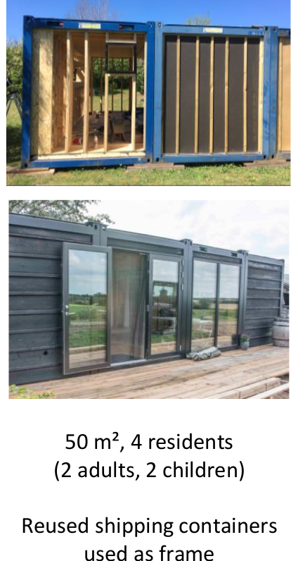
 |  |  |  |  |  |  |  |  |  | transport, freight, lorry 7.5-16 metric ton, EURO6 |  |  | 3002.50288 | t*km
 |  |  |  |  |  |  |  |  |  | transport, freight, lorry 16-32 metric ton, EURO6 |  |  | 1621.941 | t*km

EH
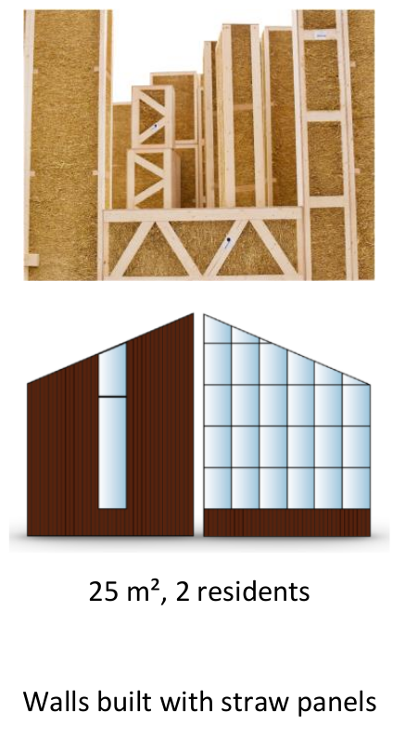
skip
 | Inventory data - Ecococon house
 |  |  |  | Product stage (A1-3) |  |  |  |  |  |  |  | Construction process stage (A4-5) |  |  |  |  |  |  |  | Use stage (B1-5) |  |  | End of life stage (C1-4) - Standard scenario |  |  |  |  |  |  |  |  |  |  |  | End of life stage (C1-4) - Ambitious scenario
PosNo. | Material | Amount | Unit | Raw material supply (A1) | Unit | Transport (A2) | Unit | Manufacturing (A3) |  | location | Unit | Transport (A4) |  | Unit |  | Unit | Construction installation process (A5) |  | Unit | Use (B1) | Maintanance, Repair… (B2-5) | Unit | De-construction demolation (C1) |  | Unit | Transport (C2) |  | Unit | Waste processing (C3) |  | Unit | Disposal (C4) |  | Unit | De-construction demolation (C1) |  | Unit | Transport (C2) |  | Unit | Waste processing (C3) |  | Unit | Disposal (C4) |  | Unit
 | TOTAL HOUSE |  |  |  |  |  |  |  |  |  |  |  |  |  |  |  | market for electricity, high voltage|electricity, high voltage|Consequential, U | 880 | kWh |  |  |  | market for electricity | 8 | kWh |  |  |  |  |  |  |  |  |  | market for electricity | 8 | kWh
1 | Fiber cement (Fermacell Powerpanel) | 2320 | kg | EPD-FermacellPowerpanel0706 |  |  |  | market for fibre cement facing tile | fibre cement facing tile | GLO | kilogram | transport, freight, lorry 7.5-16 metric ton, EURO6 | 590 | km | 33.06 | t |  |  |  |  |  |  | diesel, burned | 350 | MJ | transport, freight, lorry 7.5-16 metric ton, EURO6 | 6612 | t*km |  |  |  |  |  |  | diesel, burned | 350 | MJ | transport, freight, lorry 7.5-16 metric ton, EURO6 | 4132.5 | t*km
2 | wood | 7.39 | m³ |  |  |  |  | market for sawnwood, softwood, dried (u=10%), planed | sawnwood, softwood, dried (u=10%), planed | RER | cubic meter | transport, freight, lorry 16-32 metric ton, EURO6 | 500 | km | 3.694092 | t |  |  |  |  |  |  |  |  |  | transport, freight, lorry 7.5-16 metric ton, EURO6 | 369.41 | t*km |  |  |  | process-specific burdens, municipal waste incineration|process-specific burdens, municipal waste incineration|Cutoff, U | 3.69 | t |  |  |  | transport, freight, lorry 7.5-16 metric ton, EURO6 | 738.8184 | t*km | treatment of waste wood, post-consumer, sorting and shredding|waste wood, post-consumer | 3.694 | t
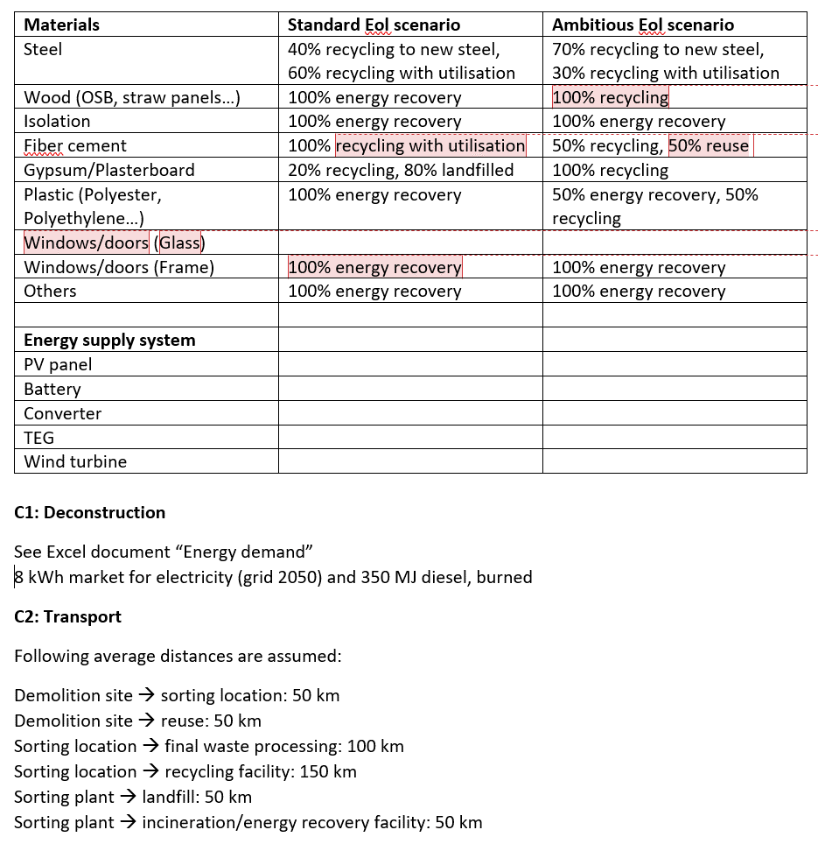
3 | steel (brackets and screws) | 68.02 | kg |  |  |  |  | market for steel, low-alloyed | steel, low-alloyed | GLO | kilogram | transport, freight, lorry 7.5-16 metric ton, EURO6 | 500 | km | 0.06802 | t |  |  |  |  |  |  |  |  |  | transport, freight, lorry 7.5-16 metric ton, EURO6 | 13.60 | t*km | sorting and pressing of iron scrap|iron scrap, sorted, pressed|Consequential, U | 68.02 | kg |  |  |  |  |  |  | transport, freight, lorry 7.5-16 metric ton, EURO6 | 13.604 | t*km | sorting and pressing of iron scrap|iron scrap, sorted, pressed|Consequential, U | 0.068 | t
4 | OSB panels | 8.14 | m³ |  |  |  |  | market for oriented strand board | oriented strand board | RER | cubic meter | transport, freight, lorry 16-32 metric ton, EURO6 | 500 | km | 5.20704 | t |  |  |  |  |  |  |  |  |  | transport, freight, lorry 7.5-16 metric ton, EURO6 | 520.70 | t*km |  |  |  | process-specific burdens, municipal waste incineration|process-specific burdens, municipal waste incineration|Cutoff, U | 5.21 | t |  |  |  | transport, freight, lorry 7.5-16 metric ton, EURO6 | 1041.408 | t*km | treatment of waste wood, post-consumer, sorting and shredding|waste wood, post-consumer | 5.207 | t
5 | Seaweed insulation | 58 | m³ | avoided production of other isolation material (e.g. cellulose fibre production) |  |  |  | market for wood wool boards, cement bonded | wood wool boards, cement bonded | RER | cubic meter | transport, freight, lorry 7.5-16 metric ton, EURO6 | 500 | km |  | t |  |  |  |  |  |  |  |  |  | transport, freight, lorry 7.5-16 metric ton, EURO6 | 0 | t*km |  |  |  | process-specific burdens, municipal waste incineration|process-specific burdens, municipal waste incineration|Cutoff, U | 0 | t |  |  |  | transport, freight, lorry 7.5-16 metric ton, EURO6 | 0 | t*km |  |  |  | process-specific burdens, municipal waste incineration|process-specific burdens, municipal waste incineration|Cutoff, U | 0 | t
6 | paper isolation | 964 | kg | https://www.papiruld.dk/sites/default/files/content_files/2019_epd_miljoevaredeklaration.pdf |  |  |  | market for cellulose fibre | cellulose fibre | CH | kilogram | transport, freight, lorry 7.5-16 metric ton, EURO6 | 500 | km |  | t |  |  |  |  |  |  |  |  |  | transport, freight, lorry 7.5-16 metric ton, EURO6 | 0 | t*km |  |  |  | process-specific burdens, municipal waste incineration|process-specific burdens, municipal waste incineration|Cutoff, U | 0 | t |  |  |  | transport, freight, lorry 7.5-16 metric ton, EURO6 | 0 | t*km |  |  |  | process-specific burdens, municipal waste incineration|process-specific burdens, municipal waste incineration|Cutoff, U | 0 | t
7 | EcoCocon modules (standard width) | 53.65 | m² |  |  |  |  |  |  |  |  | transport, freight, lorry 16-32 metric ton, EURO6 | 1500 | km | 5.1704 | t |  |  |  |  |  |  |  |  |  | transport, freight, lorry 7.5-16 metric ton, EURO6 | 517.04 | t*km |  |  |  | process-specific burdens, municipal waste incineration|process-specific burdens, municipal waste incineration|Cutoff, U | 5.17 | t |  |  |  | transport, freight, lorry 7.5-16 metric ton, EURO6 | 517.04 | t*km |  |  |  | process-specific burdens, municipal waste incineration|process-specific burdens, municipal waste incineration|Cutoff, U | 5.1704 | t
 |  | 23 | modules
8 | loam rendering | 4280 | kg |  |  |  |  | market for clay plaster | clay plaster | GLO | kilogram
9 | jute mat | 20.9 | kg |  |  |  |  | market for fibre, jute | fibre, jute | GLO | kilogram | transport, freight, lorry 7.5-16 metric ton, EURO6 | 500 | km | #VALUE! | t |  |  |  |  |  |  |  |  |  | transport, freight, lorry 7.5-16 metric ton, EURO6 | #VALUE! | t*km |  |  |  | process-specific burdens, municipal waste incineration|process-specific burdens, municipal waste incineration|Cutoff, U | #VALUE! | t |  |  |  | transport, freight, lorry 7.5-16 metric ton, EURO6 | #VALUE! | t*km |  |  |  | process-specific burdens, municipal waste incineration|process-specific burdens, municipal waste incineration|Cutoff, U | #VALUE! | t
10 | polyethylene (wind barrier) | 19.5 | kg |  |  |  |  | market for packaging film, low density polyethylene | packaging film, low density polyethylene | GLO | kilogram | transport, freight, lorry 7.5-16 metric ton, EURO6 | 500 | km | 0.0195 | t |  |  |  |  |  |  |  |  |  | transport, freight, lorry 7.5-16 metric ton, EURO6 | 1.95 | t*km |  |  |  | process-specific burdens, municipal waste incineration|process-specific burdens, municipal waste incineration|Cutoff, U | 0.020 | t |  |  |  | transport, freight, lorry 7.5-16 metric ton, EURO6 | 2.925 | t*km | polyethylene production, high density, granulate, recycled | 0.00975 | t | process-specific burdens, municipal waste incineration|process-specific burdens, municipal waste incineration|Cutoff, U | 0.00975 | t
11 | gypsum fiber boards | 863.25 | kg |  |  |  |  | market for gypsum plasterboard | gypsum plasterboard | GLO | kilogram | transport, freight, lorry 7.5-16 metric ton, EURO6 | 500 | km | #VALUE! | t |  |  |  |  |  |  |  |  |  | transport, freight, lorry 7.5-16 metric ton, EURO6 | #VALUE! | t*km | ?? | #VALUE! | t | process-specific burden, sanitary landfill|process-specific burden, sanitary landfill|Cutoff, U | #VALUE! | t |  |  |  | transport, freight, lorry 7.5-16 metric ton, EURO6 | #VALUE! | t*km | ?? | #VALUE! | t
 | windows (glass) | 5.20 | m² |  |  |  |  | market for glazing, triple, U<0.5 W/m2K | glazing, triple, U<0.5 W/m2K | GLO | square meter | transport, freight, lorry 7.5-16 metric ton, EURO6 | 500 | km |  | t
 | windows (frame) | 0.7 | m² |  |  |  |  | market for window frame, wood-metal, U=1.6 W/m2K | window frame, wood-metal, U=1.6 W/m2K | GLO | square meter | transport, freight, lorry 7.5-16 metric ton, EURO6 | 500 | km |  | t
 | door | 4.4 | m² |  |  |  |  | market for door, outer, wood-aluminium | door, outer, wood-aluminium | GLO | square meter
 | foundation | 180 | kg |  |  |  |  | market for steel, low-alloyed | steel, low-alloyed | GLO | kilogram
ecococon materials | Mass wood [kg] | 35.5 | kg |  |  |  |  | market for sawnwood, softwood, dried (u=10%), planed | sawnwood, softwood, dried (u=10%), planed | RER | cubic meter
 | Mass straw [kg] | 96.3 | kg |  |  |  |  | market for straw | straw | RoW | kilogram
 | Mass membrane [kg] | 0.21344 | kg |  |  |  |  | market for bitumen seal | bitumen seal | GLO | kilogram | transport, freight, lorry 16-32 metric ton, EURO6 |  |  | 12206.166 | t*km |  |  |  |  |  |  |  |  |  |  |  |  |  |  |  | process-specific burden, sanitary landfill|process-specific burden, sanitary landfill|Cutoff, U | #VALUE! | t |  |  |  |  |  |  | sorting and pressing of iron scrap|iron scrap, sorted, pressed|Consequential, U | 0.068 | t
 | Wood fibre board [m³] | 0.1856 | m2 |  |  |  |  | market for medium density fibreboard | medium density fibreboard | RER | cubic meter

 |  |  |  |  |  |  |  |  |  |  |  |  |  |  |  |  |  |  |  |  |  |  |  |  |  |  |  |  |  |  |  | Climate change impact | 535.39 | kg Co2 eq |  |  |  |  |  |  |  |  |  | Climate change impact | 707 | kg Co2 eq | with treatment waste wood
 |  |  |  |  |  |  |  |  |  |  |  |  |  |  |  |  |  |  |  |  |  |  |  |  |  |  |  |  |  |  |  |  |  |  |  |  |  |  |  |  |  |  |  | Climate change impact | 668 | kg Co2 eq | without tratment of waste wood

TH
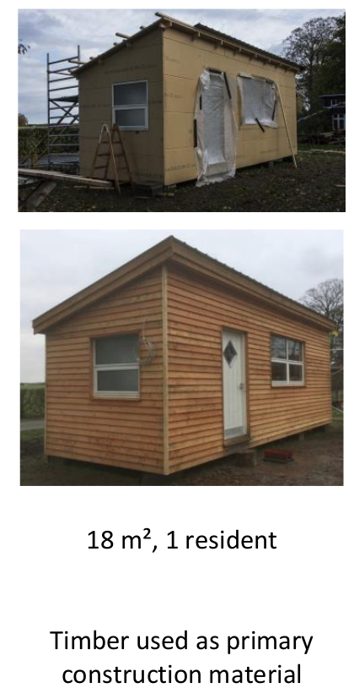
skip
 | Inventory data - Tiny house Højskole
 |  |  |  | Product stage (A1-3) |  |  |  |  |  |  |  |  | Construction process stage (A4-5) |  |  |  |  |  |  |  | Use stage (B1-5) |  |  | End of life stage (C1-4)
PosNo. | Material | Amount | Unit | Raw material supply (A1) |  | Unit | Transport (A2) | Unit | Manufacturing (A3) |  | location | Unit | Transport (A4) |  | Unit |  | Unit | Construction installation process (A5) |  | Unit | Use (B1) | Maintanance, Repair… (B2-5) | Unit | De-construction demolation (C1) | Unit | Transport (C2) | Unit | Waste processing (C3) | Unit | Disposal (C4)
 | TOTAL HOUSE |  |  |  |  |  |  |  |  |  |  |  |  |  |  |  |  | market for electricity, high voltage|electricity, high voltage|Consequential, U | 880 | kWh
1 | steel (screws, nails, screw plates) | 90.6 | kg |  |  |  |  |  | market for steel, low-alloyed | steel, low-alloyed | GLO | kilogram | transport, freight, lorry 7.5-16 metric ton, EURO6 | 500 | km | 0.0906 | t |  |  |  |  |  |  |  |  |  |  |  |  | 50% recycling, 50% bootom ash utilization (road construction)
2 | Larch clinker | 0.398 | m³ | hardwood |  |  |  |  | market for sawnwood, hardwood, dried (u=10%), planed | sawnwood, hardwood, dried (u=10%), planed | RER | cubic meter | transport, freight, lorry 7.5-16 metric ton, EURO6 | 500 | km | 0.1992375 | t |  |  |  |  |  |  |  |  |  |  |  |  | 80% recycling, 20% incineration
3 | wood | 3.349 | m³ | softwood |  |  |  |  | market for sawnwood, softwood, dried (u=10%), planed | sawnwood, softwood, dried (u=10%), planed | RER | cubic meter | transport, freight, lorry 16-32 metric ton, EURO6 | 500 | km | 1.6743618 | t |  |  |  |  |  |  |  |  |  |  |  |  | 80% recycling, 20% incineration
4 | Plasterboard | 66.96 | m² | https://www.gyproc.dk/sites/gypsum.nordic.master/files/gyproc-site/document-files/Environmental-DK/EPD-DK-Gyproc-Normal-Standardgipsplade.pdf |  |  |  |  |  |  |  |  |  |  |  |  | t |  |  |  |  |  |  |  |  |  |  |  |  | 20% recycling, 80% landfill (according to EPD)
4 | Plasterboard | 602.64 | kg |  |  |  |  |  | market for gypsum plasterboard | gypsum plasterboard | GLO | kilogram | transport, freight, lorry 7.5-16 metric ton, EURO6 | 136 | km | 0.60264
5 | pine and spruce wood (PREETZ) | 19.92 | m² | softwood |  |  |  |  | market for wood cladding, softwood | wood cladding, softwood | GLO | square meter | transport, freight, lorry 7.5-16 metric ton, EURO6 | 500 | km | 0.18924 | t |  |  |  |  |  |  |  |  |  |  |  |  | 80% recycling, 20% incineration
6 | steel tape | 22.5 | kg |  |  |  |  |  | market for steel, low-alloyed | steel, low-alloyed | GLO | kilogram | transport, freight, lorry 7.5-16 metric ton, EURO6 | 500 | km | 0.0225 | t |  |  |  |  |  |  |  |  |  |  |  |  | 50% recycling, 50% bootom ash utilization (road construction)
7 | wooden underlaysplate | 103.13 | m² |  |  |  |  |  | market for wood cladding, softwood | wood cladding, softwood | GLO | square meter | transport, freight, lorry 16-32 metric ton, EURO6 | 500 | km | 1.804775 | t |  |  |  |  |  |  |  |  |  |  |  |  | 80% recycling, 20% incineration
8 | OSB (Living board) | 0.248 | m³ |  |  |  |  |  | market for oriented strand board | oriented strand board | RER | cubic meter | transport, freight, lorry 16-32 metric ton, EURO6 | 500 | km | 0.1587456 | t |  |  |  |  |  |  |  |  |  |  |  |  | 80% recycling, 20% incineration
9 | vapor barrier tape green | 26.65 | kg |  |  |  |  |  | market for packaging film, low density polyethylene | packaging film, low density polyethylene | GLO | kilogram | transport, freight, lorry 7.5-16 metric ton, EURO6 | 500 | km | 0.02665 | t |  |  |  |  |  |  |  |  |  |  |  |  | 100% incineration
10 | glue | 0.29 | kg |  |  |  |  |  | market for polyurethane adhesive | polyurethane adhesive | GLO | kilogram |  |  |  |  |  |  |  |  |  |  |  |  |  |  |  |  |  | 100% incineration
11 | polyester (roof panels) | 130.5 | kg |  |  |  |  |  | market for polyester-complexed starch biopolymer | polyester-complexed starch biopolymer | GLO | kilogram | transport, freight, lorry 7.5-16 metric ton, EURO6 | 500 | km | 0.1305 | t |  |  |  |  |  |  |  |  |  |  |  |  | 80% recycling, 20% incineration
12 | plywood | 2.716 | m³ |  |  |  |  |  | market for plywood | plywood | RER | cubic meter | transport, freight, lorry 16-32 metric ton, EURO6 | 500 | km | 1.738494336 | t |  |  |  |  |  |  |  |  |  |  |  |  | 100% incineration
13 | paper isolation | 630 | kg | https://www.isoleringdanmark.dk/CustomerData/Files/Folders/30-pdf-2/714_epd-papirisolering.pdf |  |  |  |  | market for cellulose fibre | cellulose fibre | CH | kilogram | transport, freight, lorry 7.5-16 metric ton, EURO6 | 380 | km | 0.63 | t |  |  |  |  |  |  |  |  |  |  |  |  | 100% incineration
14 | bitumen based membrane | 2 | kg |  |  |  |  |  | market for bitumen seal | bitumen seal | GLO | kilogram
15 | paint, indoor | 15 | l |  |  |  |  |  | market for alkyd paint, white, without water, in 60% solution state | alkyd paint, white, without water, in 60% solution state | RER | kilogram
16 | paint, outdoor, linoil pain | 13.8 | l |  |  |  |  |  | market for alkyd paint, white, without solvent, in 60% solution state | alkyd paint, white, without solvent, in 60% solution state | RER | kilogram
 | windows (glass) | 7.98 | m² |  | reused!! |  |  |  | market for glazing, triple, U<0.5 W/m2K | glazing, triple, U<0.5 W/m2K | GLO | square meter | transport, freight, lorry 7.5-16 metric ton, EURO6 | 500 | km |  | t |  |  |  |  |  |  |  |  |  |  |  |  | 80% recycled (mainly glass, metal), 20% incineration
 | windows (frame) | 1.46 | m² |  | reused!! |  |  |  | market for window frame, wood-metal, U=1.6 W/m2K | window frame, wood-metal, U=1.6 W/m2K | GLO | square meter
 | door | 2 | m² |  |  |  |  |  | market for door, outer, wood-aluminium | door, outer, wood-aluminium | GLO | square meter
 | foundation | 135 | kg |  |  |  |  |  | market for steel, low-alloyed | steel, low-alloyed | GLO | kilogram
 |  |  |  |  |  |  |  |  |  |  |  |  | transport, freight, lorry 7.5-16 metric ton, EURO6 |  |  | 650.72279 | t*km
 |  |  |  |  |  |  |  |  |  |  |  |  | transport, freight, lorry 16-32 metric ton, EURO6 |  |  | 2688.188368 | t*km

EcoCocon module
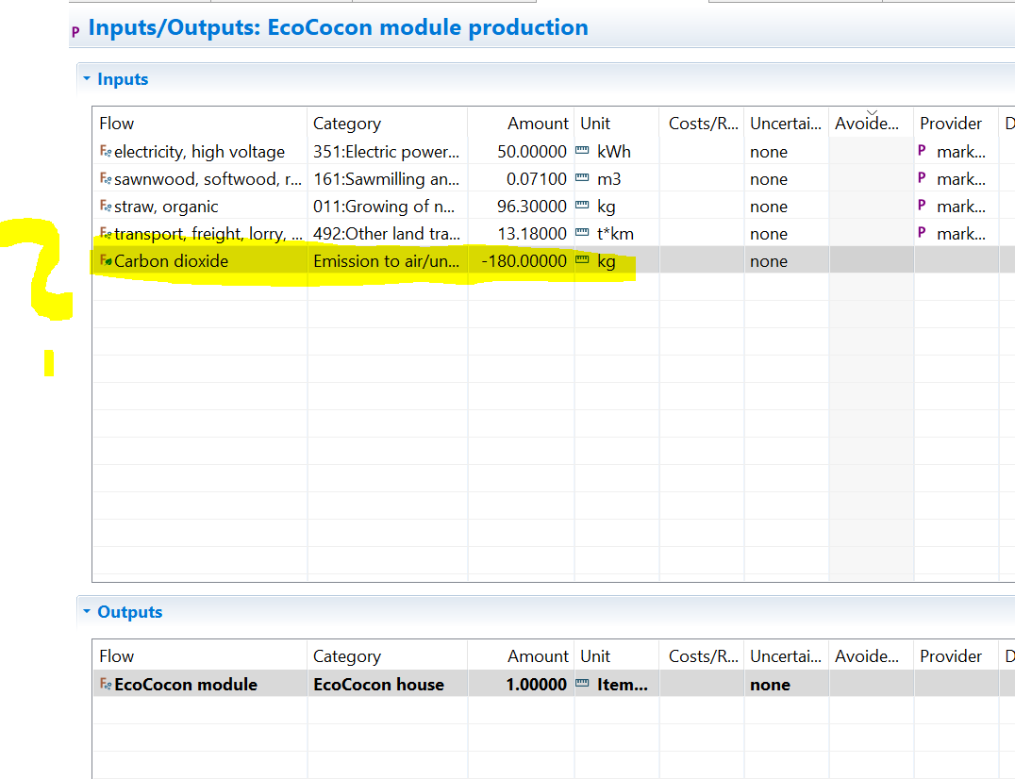
skip
EcoCocon module
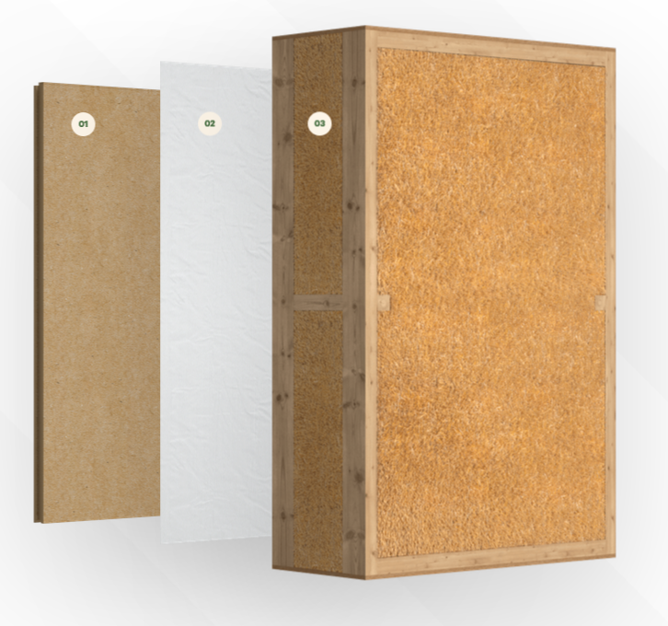
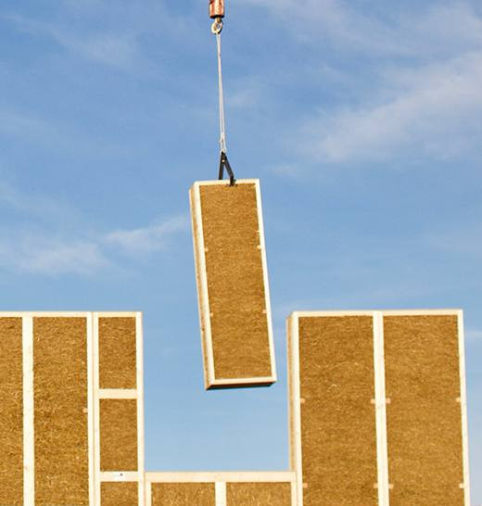
Height [m] | Thickness [m] | Width [m] | Volume [m³] | Density straw [kg/m³] | Mass straw [kg] |  | Width per module [m] | Number of modules
2.9 | 0.4 | 18.5 | 21.46 | 110 | 2360.6 |  | 0.8 | 23

Standard module

Height [m] | Thickness [m] | Width [m] | Wood frame [m³] | Plywood [m³] | Wood density [kg/m³] | Mass wood [kg] | Mass straw [kg] | Mass total module+membrane+fibreboard [kg]
2.9 | 0.4 | 0.8 | 0.0709 | 0.00768 | 500 | 35.5 | 96.3 | 224.8

 |  |  | Airtight membrane [m²] | Wood fibre board [m³] |  | Mass membrane [kg] | Mass fibreboard [kg]
 |  |  | 2.32 | 0.1856 |  | 0.21344 | 92.8

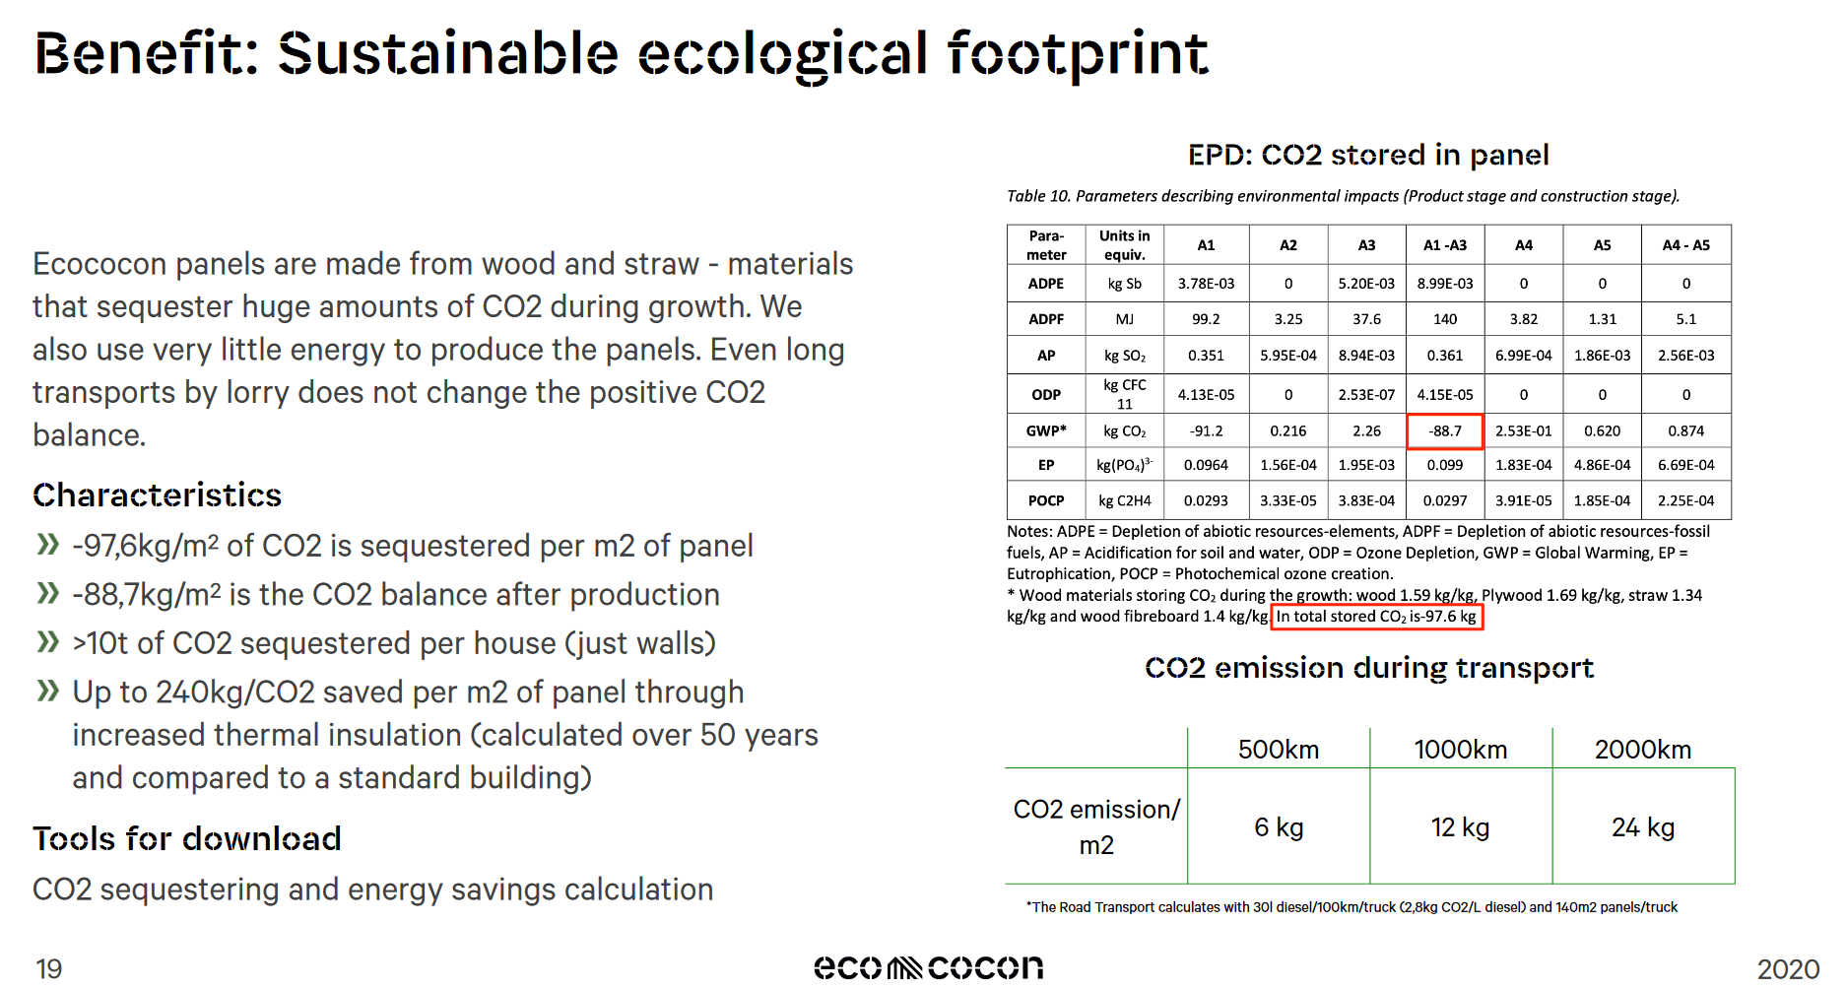
 |  |  |  |  |  |  |  |  | Reference of screenshots:
Transport A2 [km] | Transport A2 [t*km] | Manufacturing A3 [kWh/module] | Transport A4 [km] | Transport A4 [t*km] |  |  |  |  | https://ecococon.eu/assets/legal/general-information-(en).pdf
100 | 22.48 | 50 | 1500 | 337.23 |  |  |  |  | https://ecococon.eu/gb/the-panel

Stored carbon
 | wood | plywood | straw | wood fibreboard |  | total [kg CO2]
kgCO2/kg material | 1.59 | 1.69 | 1.34 | 1.4
kgCO2/module | 56.39 | 7.79 | 129.09 | 129.92 |  | 323.19

